Schedule Analysis
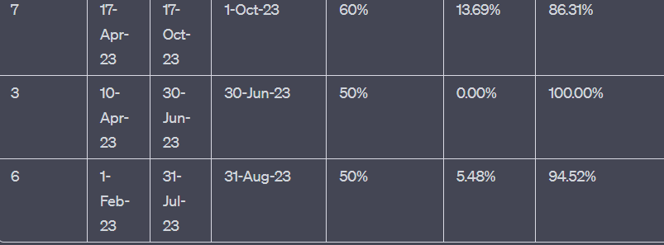
Project Name | Project Duration | Start Date | End Date | Expected Completion Date | Current Project % Completion | % Schedule Slip | Probability of Project Completing on the expected Time
A | 10 | 15-Oct-22 | 31-Jul-23 | 31-Aug-23 | 60% | 2.74% | 97.26% | Project Duration: 10 weeks
B | 6 | 1-Feb-23 | 31-Jul-23 | 31-Aug-23 | 50% | 5.48% | 94.52% | Planned Start Date: 1st January 2023
C | 6 | 20-Feb-23 | 31-Aug-23 | 30-Sep-23 | 25% | 19% | 80.82% | Planned Completion Date: 11th March 2023
D | 7 | 1-Feb-23 | 31-Aug-23 | 30-Sep-23 | 60% | 8.22% | 91.78% | Actual Completion Date: 25th March 2023
E | 8 | 16-Dec-23 | 31-Jul-23 | 31-Aug-23 | 60% | 2.74% | 97.26%
F | 6 | 20-Feb-23 | 31-Aug-23 | 30-Sep-23 | 66% | 2.74% | 100.00% | Actual Progress = (Actual Completion Date - Planned Start Date) = 25th March 2023 - 1st January 2023 = 12 weeks
G | 7 | 17-Apr-23 | 17-Oct-23 | 1-Oct-23 | 60% | 0.00% | 100.00%
H | 3 | 10-Apr-23 | 30-Jun-23 |  | 50% |  | 50.00% | Next, calculate the % Schedule Slip:
I | 6 | 1-Feb-23 | 31-Jul-23 | 31-Aug-23 | 50% | 5..48% | 94.52%
 |  |  |  |  |  |  |  | % Schedule Slip = ((Actual Completion Date - Planned Completion Date) / Project Duration) * 100 % Schedule Slip = ((25th March 2023 - 11th March 2023) / 10 weeks) * 100 % Schedule Slip = (14 weeks / 10 weeks) * 100 % Schedule Slip = 140%

 |  |  |  |  |  |  |  |  | 31st July 2023-15th oct 2023

 |  |  |  |  |  |  | % Schedule Slip = ((3rd August 2023 - 31st August 2023) / (10 months)) * 100 = (-28 days / 10 months) * 100 = -2.74% (rounded to 2 decimal places)
 |  |  |  |  |  |  | Probability of Project Completing on Expected Time = 100% - 2.74% = 97.26%

 |  |  |  |  |  |  | %

Quality Analysis
Project Name | Start Date | End Date | Project Manager | Status | % Completion | SPI | Indication
A | 15-Oct-22 | 31-Jul-23 | SJ | In Progress | 60% | 0.6 | The project is behind schedule.
B | 1-Feb-23 | 31-Jul-23 | AK | In Progress | 50% | 0.5 | The project has performed half the work it was supposed to at this point.
C | 20-Feb-23 | 31-Aug-23 | RD | Delayed | 25% | 0.63 | The project is slightly behind schedule.
D | 1-Feb-23 | 31-Aug-23 | AK | In Progress | 60% | 0.6 | The project is behind schedule.
E | 16-Dec-23 | 31-Jul-23 | SJ | In Progress | 60% | 0.6 | The project is behind schedule.
F | 20-Feb-23 | 31-Aug-23 | AK | In Progress | 66% | 0.66 | The project is slightly behind schedule.
G | 17-Apr-23 | 17-Oct-23 | YA | Delayed | 60% | 0.8 | The project is slightly ahead of schedule.
H | 10-Apr-23 | 30-Jun-23 | AK | In Progress | 50% | 1 | The project is on schedule.
I | 1-Feb-23 | 31-Jul-23 | AK | In Progress | 50% | 0.5 | The project is significantly behind schedule.

Bugs Status
Module | Bugs | State
SOH | 0 | Open | Highest number of Bugs :
Receiving | 4 | Open
Ship Confirm | 7 | Open | Module | Bugs
Cycle count | 4 | Open | User Mang | 13
PAR Count | 2 | Open | Inspection Adhoc | 13
User Mang | 13 | Open | Ship Confirm | 7
Inspection Details | 4 | Reopen
Inspection Adhoc | 13 | Open | Lowest Number of Bugs:
Scheduler | 4 | Open | Module | Bugs
Physical Count | 3 | Open | SOH | 0
Maintenance Material Return | 1 | Open
Discrete Material Return | 1 | Open
Discrete Operation Completion | 3 | Reopen | Bugs Status Distribution:
Operation Completion | 1 | Open
 |  |  | Bugs State | Percentage
 |  |  | Open | 88.33%
 |  |  | Reopen | 11.67%

Calculations: |  |  | Average Bugs: |  | This indicates that, on average, each module has around 4 to 5 reported bugs. While some modules may have more bugs, and others may have fewer.
 |  |  | 4.2857142857
1) Bugs State Distribution

Number of bugs:
60
Number of bugs (Open):
53
Number of bugs (ReOpen):
7

% of Open Bugs =
88.333333333
% of Reopen Bugs=
11.666666667

2) Average Bugs:
no. of bugs/ Total no. of modules

